Module 6
Main

 | Module 6: Unsderstanding the entity and risk assesment procedures

 | Audit planning
 | Overall audit strategy and a detailed audit plan

 | Benfefits of audit planning
 | Attention is devoted to important areas
 | Potential problems are identified and resolved on a timely basis
 | The audit is organised and managed to promote efficiency and effectiveness
 | Staff members with the right skills and experience are used
 | The direction supervision and review of the work done can be co-ordinated
 | The work of experts can be co-ordinated

 | Strategy
 | scope, timing and direction of the audit
 | mandatory to document the overall audit strategy.

 | ISA 300 para 8

 | Characteristics of the engagement which define the scope
 | objectives of the engagement to plan the timing of the audit and communication required
 | consider significant factors
 | consider relevant preliminary factors and knowledge gained on other engagements
 | nature, timing and resources necessary to perform the engagement.
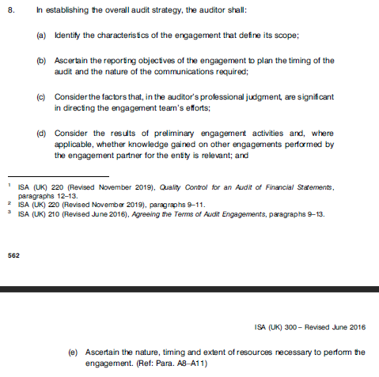

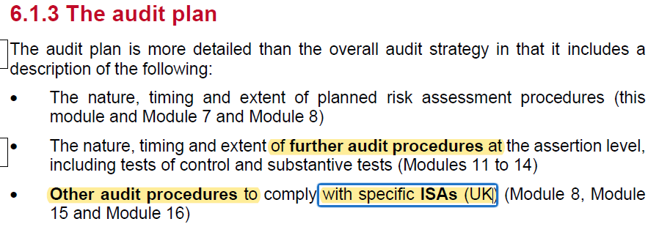

 | Planning is a continuous process.

 | ROMM | inherent risk * control risk
 | audit risk | ROMM * detection risk

 | ROMM is from the client and audit risk is from the auditors
 | the higher the client risk the lower the audit risk
 | the audit risk remains the same in the equation
 | to ROMM and audit risk are inversely proportional

 | Is the ROMM due to error or fraud..
 | Fraud typically harder to identify as entity trying to obscure it

 | The following must be used in the risk assesment procedure
 | Enquiries
 | Analytical procedures
 | observations and inspections

 | can use PY file and make relevant updates/changes

 | entity and environment
 | org structure, ownership and governance and business model
 | Industry regs and other factors
 | measures used internally and externally to asses entity's financial performance.

 | are acccounting policies consistent with financial reporting framework

 | Inherent risk

 | susceptiblity to misstatement is the financial statements
 | industry and sector and external environmne risk

 | Business risk
 | Strategic and operational
 |  | Market Risk
 |  | organisational risk - mixed incentives between different group companies
 |  | financial risk - finding and structuring of financing
 | Reliable financial reporting - weakness in the reporting framework, weakness in control framework, complex or new transactions
 | compliance
 |  | Social and environmental risks
 |  | legal and regulatory risk

 | A business risk is only relevant as an inherent risk if it oculd result in a material misstatement in the financial statements
 | If the business risk could lead to a ROMM then it is an audit risk
 | else it is just a busniess risk

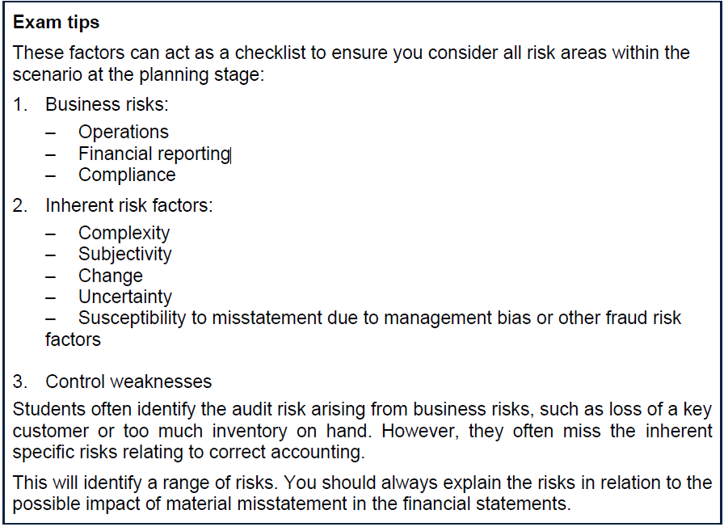

 | Business risk
 | operation
 | financial reporting
 | compliance

 | inherent risk
 | complexity
 | subjectivity
 | change
 | uncertainty
 | susceptibility to mistatement due to management bias or other fraud risk factor

 | conrols weakness

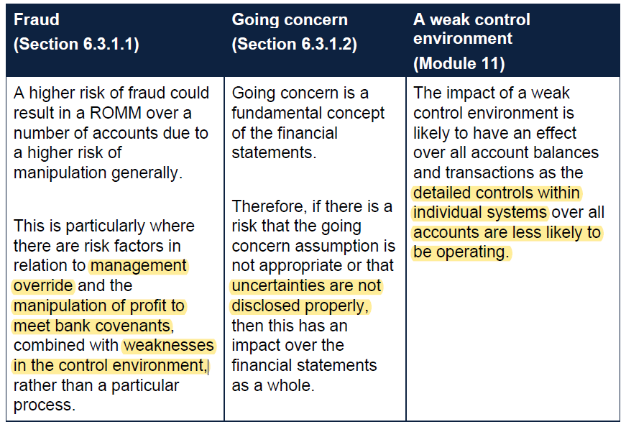

 | Fraud is being intentially concealed so presumed harder to identify

 | 2 types of fraud
 | FFR - fraudulent financial reporting - MOOC
 | Missaptopriation of assets - more commonly by employees.

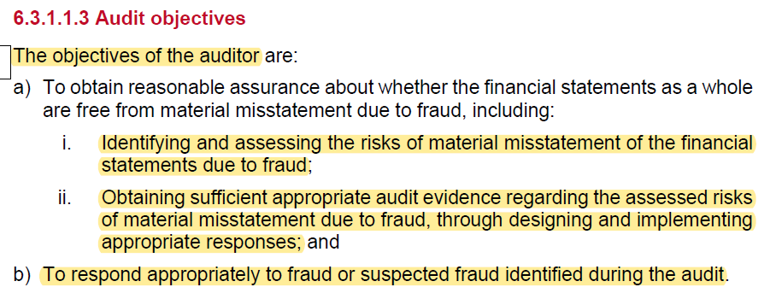

 | Auditor has to follow procedures to identify fraud. But not responsible for finding it
 | directors responsible for edentifying fraud.

 | All team members need the moral courage to challenge this with the client.

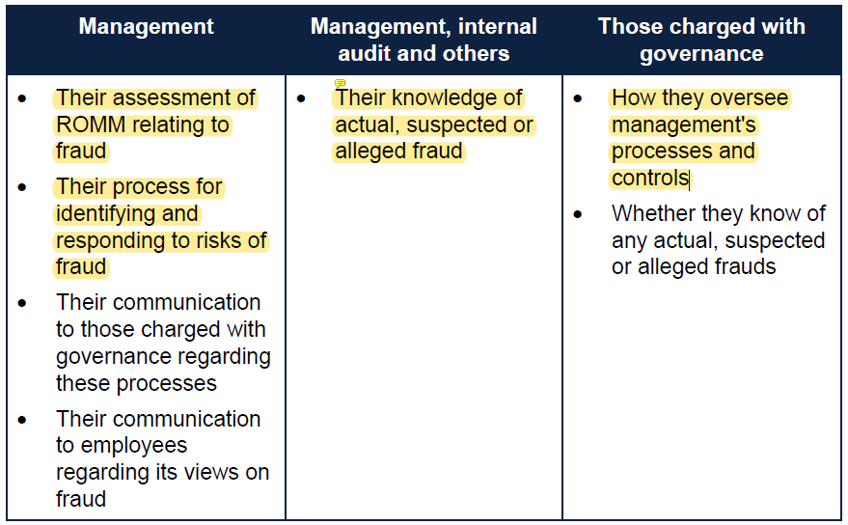

 | Triangle
 | Inventive or pressure
 | opportunity
 | rationalisation

 | opportunity - weak controls
 | rationalisatoin - disregard for controls

 | Example 4
 | indication of increased risk of fraud in relation to: | 1. missappropriation of assets | 2. Manipulation of financial statements
 | Incentives/pressure
 | Opportunities
 | Rationalisation of the action

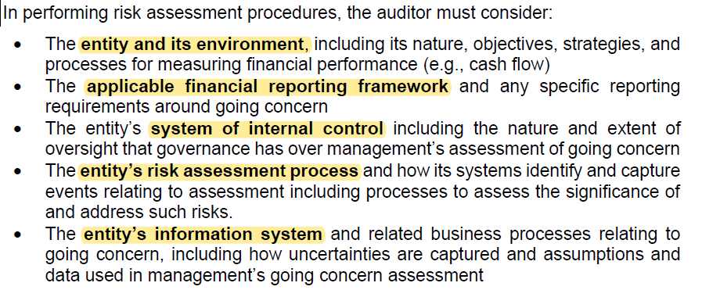

 | Group all of the financial statement level risks. Group them together when considering the going concern.

 | Assertions

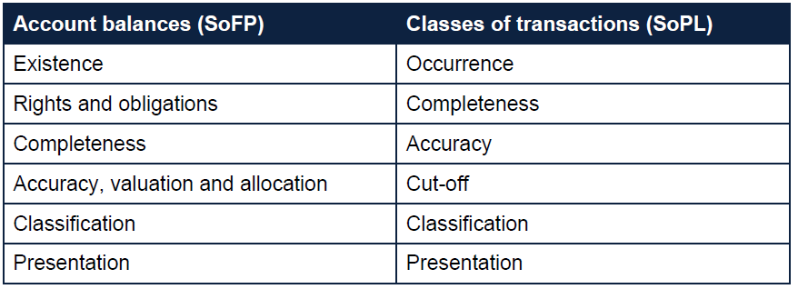

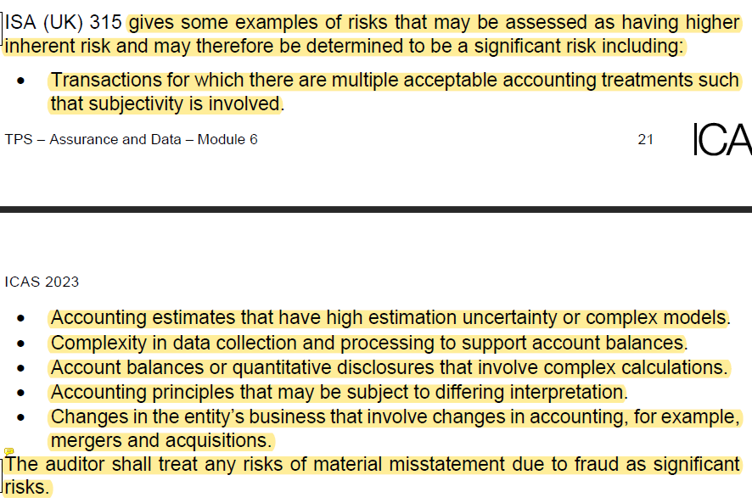

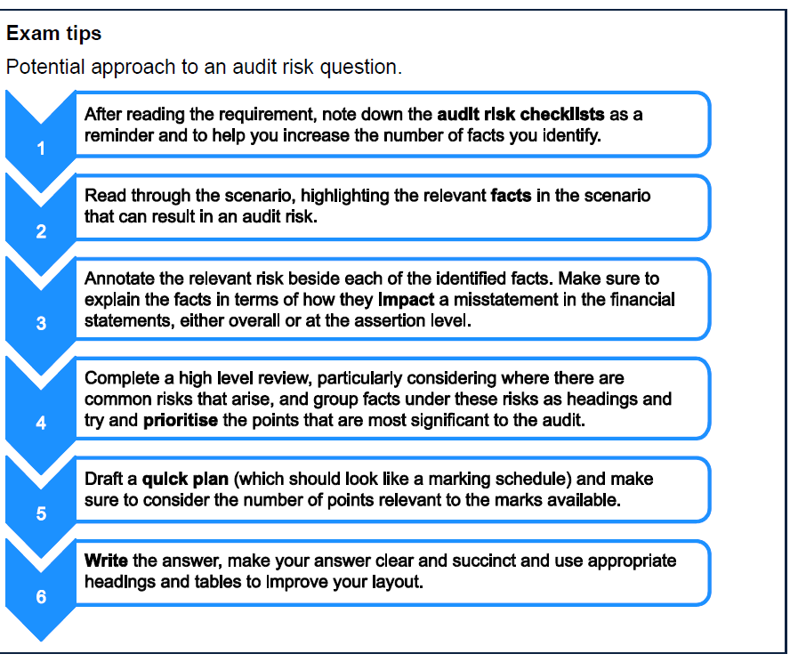

 | Audit risk checklist
 | write the risk relevant to each fact
 | group facts together and prioritise the facts most significant to the audit
 | draft a quick plan - note the marks and the working required to hit the marks available
 | write the answer.

 | Identification | Evaluation
 | valuation of receivables - reveivable days have increaesed y/y and are above the credit terms offered (60 days) | risk to recoverability. Aged debts will require greater provision. The risk here is that the balance sheet assets could be overstated
 | Valuation of PPE - one production line has closed and cannot be repaired. Overreliance on remaing machine which is being operated over weekend. Despite this the PPE NBV has increased above budget | risk the machine cannot be repaired and the PPE balance is overstated.
 | revenue recognition and cut-off around large year end Summerlands order | risk revenue is being recognised too early and before the order is actually executed to to low stock level and inability to deliver large YE order. The COS will not match off to the inventory as the revenue willl be inproperly recognised.
 | FX AR valuaiton - US trading exposes byrds to currency risk | do staff have sufficinet knowledge and skills to mitigate this risk. Are currency transactions being recorded in accordance with IAS 21. are there any heding arrangements in place- this could be complex accounting and require further procedures
 | compliance with L&R - persuance from US regulators | non-compliance could result in loss of ability to trade in US or fines/legal action
 | bank covenants - manipulating results to adhere to bank covenant requirements. Interest cover and current ratoi | board under pressure to meet these covenants. Have a clear incentive to manipulate resuls to reach a desired effect.
 | personal injury claim | due to faulty ladder used. The company will likely have to compensate thie employee. Expected legal fees will require provision and perhaps disclosure
 | Going convern reliant on overdraft to finance d/d obligations. Increased o/d y/y and against budget. Want loan for new faciliy but also to reduce reliance on o/d. | if bank does not grant loan. How will the company recover form reliance on o/d
 | working capital position is getting worse | reducing profitability and weakending working capital position mnay impact the companies ability to remaing a going concern
 | GP% down from 27.6% to 23.9% due to increase in RM which cannot be passed onto suppliers. And a need to reduce prices due to increased competition | byrds cannot increase it selling prices therefore will not improve profitability without increasing prices. Costs do not appear to be being actively reduced either.
 | valuation of inventory - price levels down effects the NRV of inventory | inventory may need impairment. This means the inventory balance might be overstated.

 |  |  | A | B | PY | BvA | y/y
 | Revenue |  | 14,200 | 14,200 | 12,700 | 0.00% | 11.81%
 | COGS |  | -10,800 | -10,550 | -9,200 | 2.37% | 17.39%
 | GP |  | 3,400 | 3,650 | 3,500 | -6.85% | -2.86%

 | o/h |  | -1,325 | -1,050 | -1,180 | 26.19% | 12.29%
 | PBT |  | 2,075 | 2,600 | 2,320 | -20.19% | -10.56%

 | PPE |  | 17,060 | 16,960 | 18,250 | 0.59% | -6.52%
 | Inventory |  | 4,040 | 4,250 | 3,900 | -4.94% | 3.59%
 | AR |  | 6,750 | 6,390 | 5,400 | 5.63% | 25.00%
 | bank o/d |  | -2,200 | -2,050 | -2,100 | 7.32% | 4.76%
 | AP |  | -5,133 | -4,600 | -4,200 | 11.59% | 22.21%

 | creditor days |  | 173 | 159 | 167 | 9.00% | 4.11%
 | debtor days |  | 174 | 164 | 155 | 5.63% | 11.80%

 | planning analytical review

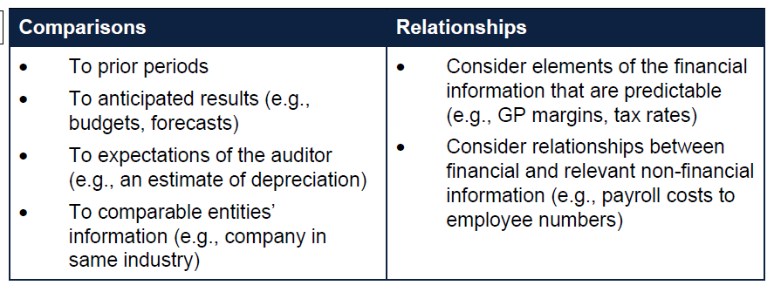

 | PAR and CAP
 | prior period comparison | predictable financial information. GP, tax rate
 | BvA | payroll to headcount
 | auditor expectations
 | comparable entities

 | PAR and CAP are mandatory risk assesment procedures
 | comparison, ratio analysis, reasonableness test
 | use mgmt accounts or draft accounts
 | correlations

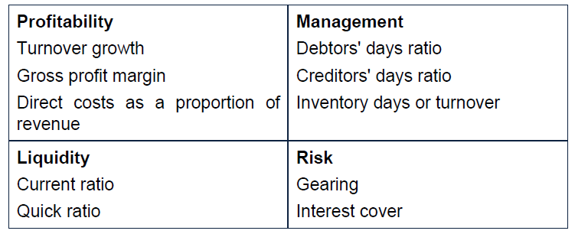

 | Audit data analytics (ADAs)
 | drivers of revenue
 | can use data to create and expectation about a number

 |  | Total | UK rev | EU rev
 | PY | 1,310 | 1,040 | 270
 | budget 2018 | 1,700 | 1,436 | 264
 | 12m (extrapolted) #to 201 | 1,752 | 1,495 | 259
 | Expectation | 1,692 | 1,435 | 257
 |  | -60 | -59 | -2
 | variance to expecation | 3.56% | 4.14% | 0.84%
 | BvA | 3.06% | 4.09% | -2.02%

 | new contract | 2029-01-01
 | increase UK rev by 30% | 1,373
 |  | 333
 | price increase
 | 6% | 1,102
 | E(rev) UK | 1,435

 | BAL SARL
 | make up 25% of EU revenue | 68
 | 20$ discount | 54
 |  | 203
 | E(rev) EU | 257

 | EU revenue is bang on budget (2% under) and right on our expectation based on new information
 | Draft UK revenue is 5% above expectation and 4% above budget
 | There is a risk of overstated revenues
 | However, given the business. Retail make-up. We could expect a seasonal increase in revenues towards year end

 | Actual revenue for Lip Gloss is approximately £61k above expectation for the year to 31 December 20X9. This is largely driven by actual revenue for the UK being £59k above the expectation for the year. There may be a new source of revenue that we, as auditors, are unaware. Alternatively, this may indicate that revenue, particularly in the UK, is overstated in the financial statements.

 | My PAR was dead on. Did not comment on the overall change. So comment on the overall and note where the change is being driven from.

 | Looking for a plausible explanation supported by evidence
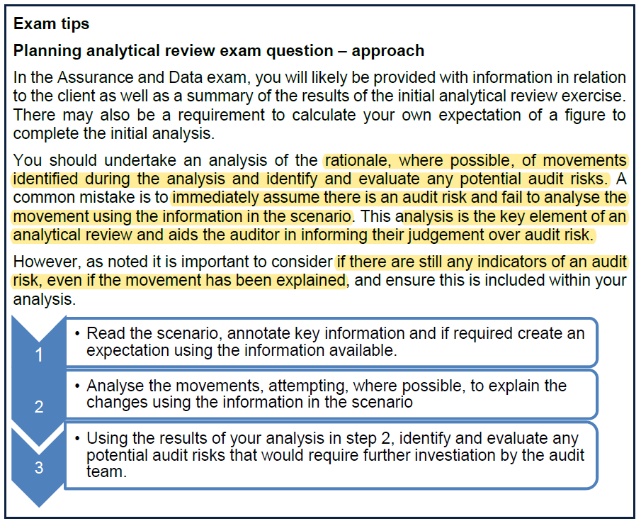

 | Just because there is a plausible explanation does not mean there is not an audit risk
 | in the question, we would calculate materiality and then focus on any variance or figures above materiality
 | or if there was a ratio or figure which would trigger a bank covenant - this would be a figure to lool at
 | Think about other inherent risks and balances
 | if required - create and expectation - this will typically be given

 | Activity 8
 | GVB
 | YE | 2026-11-30
 | 5m to | 2026-04-30

 | when answering the question
 | Start with the words first
 | then move onto the charts and figures

 | new product
 | sales low so revenues shouldn't move much as a result. Would expect actuals to be below budgeted as the budget would have forecast better sales withou foresseing the chinese competitor
 | no increase in overhead admin cost a spare capacity used.

 | new IT system
 | delayed. Expect remaining costs. Need to think if this is a capital cost, in which case an accrued expense will be made and the total cost capitalised in January when the project it completed.
 | It system is an unsual transaction - FA, capitalisation, specific lending. There are judgements and complexities in here which will create risks for the audit

 | Loan to finance IT system
 | 200k drawn down. 100k yet to be accessed. The borrowing cost should be being capitalised into the cost of the IT system.
 | interest of 5% above base rate is quite a high premium. Should look for this increase in finance costs

 | Bank o/d
 | expect to see deteriating working capital given the increase reliance on the overdraft facility.

 | Sales
 | increase price and revenue. Increase energy overheads given increase in energy cost. Have been able to pass on costs.

 | increase in WIP and FG. Large customer has gone bankrupt. Need to consider the NRV in light of this change. What is the chance this stock can be sold for more than cost to produce?
 | expect to see an increase in WIP and FG. But need to consider possible impairment also

 | Inventory
 | RM up by 5% - increase in cost - need to consider cost v NRV. How much of this commodity increase can be passed to customers

 | AR
 | Recievable days will extend affecting cashflow and possibly going concern.
 | Given UK luxury has entered liquidation. The £40,000 owed should be written down significantly.

 | Charts
 | Revenue - actuals lower than budget agrees to new product flop. 34% y/y is a bit too high and could indicate and overstatement of revenue
 | admin expense on budget given no extra capacity of new product. Would have expected increase given rise in energy prices.
 | other expense higher than biudget as IT system has overrun
 | NCA
 | GP - increased a lot and for no obvious reason - further investigation required. Could indicate COGS are understated and/or revenue is overstated.
 | AR days - getting longer as expected. Customers stretchin terms and UK LUX going bust. There is an audit risk that AR is overstated. Do not know if there is a provision against Lux motors going bust
 | AP days - not much change as expected. No policy change. They have been using their overdraft to pay trade payables. There is a risk AP is understated. Higher AR days and lower AP days are showing cash Is being colleced slower than it is being paid out. This is a risk to going concern as they are operating on negative working capital balance. this is also impacted by the slowdown in inventory turnover. They have breached their overdraft twice to pay creditors. There is certainly a risk around completeness and accuracy of trade payables
 | If the bank were to recall the overdraft facility, then there is a real going concern risk. As they could quickly run out of cash
 | inventory days - in line with new product failure and UK lux order cancellation

 | Increase in other expense and increase in GP could mean some of the other expenses should be classified as cost of sales

 | significance and materiality
 | An item is material if its misstatement or omission could reasonably be expected to influence the economic decisions of users.
 | nature and value are important for materiality
 | need to consider the user of financial information
 | overall materiality
 | materiality for the financial statements as a whole
 | calculated at planning and reviewed throughout

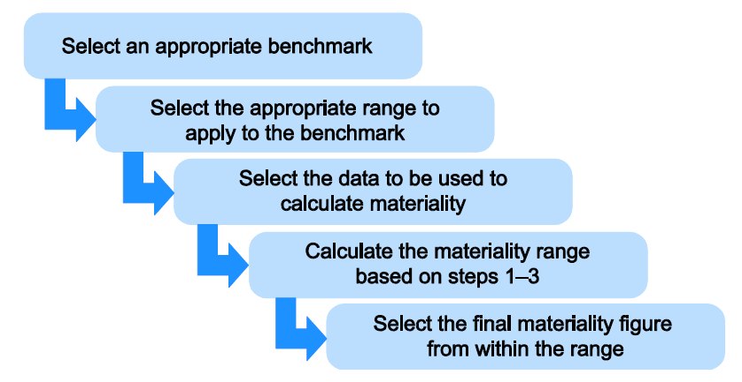

 | appropriate benchmark
 | appropriate range to apply to the benchmark
 | select the appropriate benchmark
 | calculate the materiality
 | select the final materiality figure from within the range

 | No right or wrong answer so long as we adequately explain the decisions made when assessing materiality
 | All about explaining why we have chosen a specific benchmark and where in the range we are going to set out number
 | nature, industry and environment of the entity need ot be factored into materiality computation
 | want to select a consistent benchmark. Do not want to select a volatile benchmark
 | volatility in this context means large y/y variation

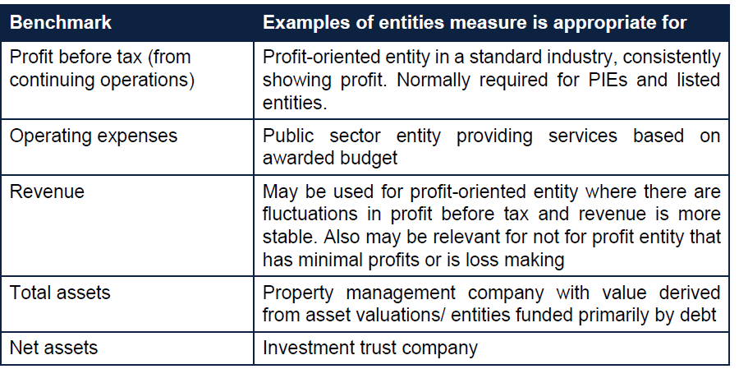

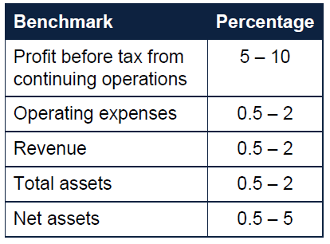

 | Benchmark | LB | UP
 | PBT | 5.00% | 10.00%
 | opex | 0.50% | 2.00%
 | rev | 0.50% | 2.00%
 | total assset | 0.50% | 2.00%
 | net assets | 0.20% | 5.00%

 | Use what the auditor believed are the most representative available figures
 | adjust data to show normalised figures
 | only normalise when considering moving out exceptional one-off items

 |  | £'m
 | rev | 5000
 | GP | 2000
 | PBT | 500

 | chosen benchmark | 500
 | PBT | 5.00% | 10.00%
 | materiality range | 25 | 50

 | The higher the risk factors the lower the materiality

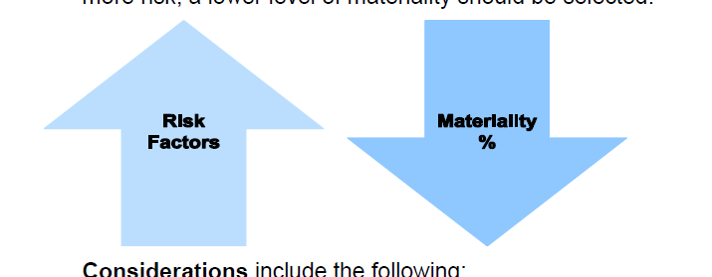

 | listed or PIE
 | first year audit
 | GC issues
 | Significant audit risks
 | previous material mistatements
 | high fraud risk

 | Cannot use a different materiality for different ABCOT
 | but coul d use a lower overall materiality where misstatements lower than overal materiality would influence the decisions of users.

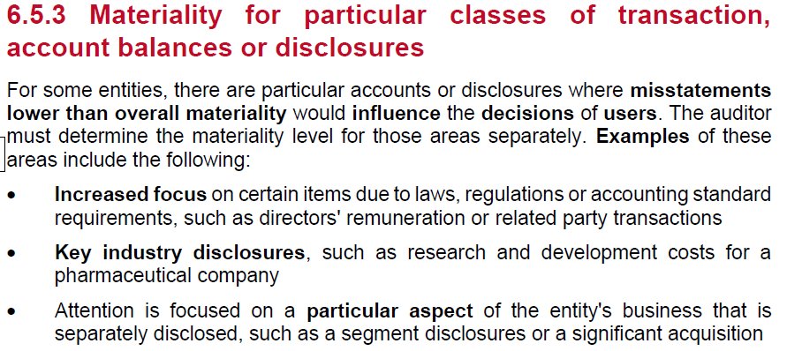

 | Performance materiality

 | PM % is a matter of pro judgement.
 | Set somewhere between 50-70
 | The higher the risk, the lower the PM %

 | PM can be set at different levels for different ABCOT

 | CTT
 | CTT is typically 0-5%

 | During the audit, if there are changes so large - it would change your materiality from plannning. Then we would have to recalc materiality and update work

 |  | 2025A (Extrap) | 2025B | 2024 | y/y
 | rev | 2,987 | 2,975 | 3,100 | -3.66%
 | pbt | 85 | 245 | 189 | -54.85% | <<too vol
 | total asset | 1,038 | 943 | 975 | 6.46%
 | net asset | 378 | 563 | 341 | 10.85%

 | high value handbags in UK
 | view to a profit
 | issues around inventory and slow moving and obsolete inventory
 | private company
 | the owners are the main users of the statements given the private nature of the company
 | fast moving luxury fashion is a business where success if defined by sale and profits
 | we would ordinarily use PBT as the benchmark factor , but is has been too volatile y/y decreaseing 55%
 | therefore the best benchmark to use it revenue
 | assets and net asset don't move too much which is expected. FMCG is not an asset heavy industry so would not be using this data a reliable benchmark
 | The extrapolated actuals and the budget are both very similat and both give an suitable estimation of revenue
 | we will use budget as this is likely to factor in seasonality which 12/9 extrapolation does not
 | seasonality is relevent for FMCG as sales increase aroung Christmas]

 | benchmark | 2,987
 | range 0.5-2% | 15 | 60

 | risk around range
 | the overall audit risk will fall somewhere in the middle of the range. They are not first year client. No history of mistatements. Still profitable, if less than PY
 | choose middle od range | 0.83% |  | <<<figures from here on down don't actually matter. It's all about the chat
 | overall materiality | 25

 | PM | 65% | 60% | <<choose a lower PM for the inventory balance as we have identifed risks around slow moving inventory
 |  | 16 | 15

 | CTT | 5%
 |  | 1

